sampleTimeSheet
Time Reporting Code | Task Profile Id | 2022-06-05 | 2022-06-06 | 2022-06-07 | 2022-06-08 | 2022-06-09 | 2022-06-10 | 2022-06-11 | 2022-06-12 | 2022-06-13 | 2022-06-14 | 2022-06-15 | 2022-06-16 | 2022-06-17 | 2022-06-18 | line end char
WORK | 37717EE |  | 2.5 | 1 |  | 0.5 |  |  |  | 1.5 | 2 | 0.5 | 0.5 | 0.5 |  | x
WORK | 40111CDDIS |  |  |  |  |  |  |  |  | 2 | 1.5 | 0.5 | 3 | 0.5 |  | x
WORK | ANRLGTS |  |  |  |  |  |  |  |  |  |  |  |  | 1 |  | x
WORK | DLLENFORCE |  |  | 3 |  | 1.5 | 2 |  |  | 1 |  | 1 |  | 0.5 |  | x
WORK | EADVHA(PIE |  |  |  |  |  |  |  |  |  | 1 |  |  |  |  | x
WORK | EASTRAT |  | 0.5 |  |  | 0.5 | 0.5 |  |  | 0.5 |  | 1 | 0.5 | 0.5 |  | x
WORK | MULEPLAT |  |  |  |  |  |  |  |  |  |  |  | 3.5 |  |  | x
WORK | OKTAPLAT |  | 1 |  |  | 1.5 | 1.5 |  |  | 1 |  | 0.5 | 0.5 | 1 |  | x
SICK | DEMANDNBLI |  |  |  | 7 |  |  |  |  |  |  |  |  |  |  | x
WORK | VDOLFRAUD |  | 4 | 4 | 1 | 4 | 4 |  |  | 2 | 3.5 | 4.5 |  | 4 |  | x
 |  |  |  |  |  |  |  |  |  |  |  |  |  |  |  | x
 |  |  |  |  |  |  |  |  |  |  |  |  |  |  |  | x
 |  |  |  |  |  |  |  |  |  |  |  |  |  |  |  | x
 |  |  |  |  |  |  |  |  |  |  |  |  |  |  |  | x
 |  | 0.00 | 8.00 | 8.00 | 8.00 | 8.00 | 8.00 | 0.00 | 0.00 | 8.00 | 8.00 | 8.00 | 8.00 | 8.00 | 0.00
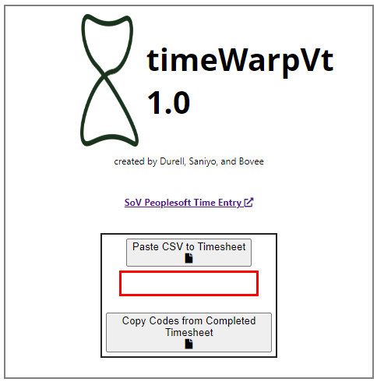

Copy and paste the contents of the red box into the timeWarpVt app. Do not include blank rows.

Use the copy codes function on prior time sheets to get these.

Select these from dropdown populated in other sheet.

